Data_Dictionary
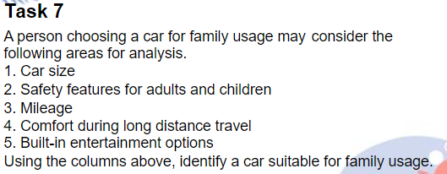
Column Name | Description
Make | Names of car companies​
Model | Names of car models​
Variant | Name of the model variant
Displacement_cc | Capacities of cars in cubic centimetres​
Cylinders | Number of cylinders​
Valves_Per_Cylinder | Number of valves per cylinder ​
Fuel_Tank_Capacity_gallon | Fuel tank capacity in gallons
Fuel_Type | Types of fuel​
Height_in | Heights of cars in inches
Length_in | Lengths of cars in inches
Width_in | Widths of cars in inches
Body_Type | Car body types​
Doors | Number of doors on the cars​
City_Mileage(miles/gallon) | Mileage while traveling in the city in miles/gallon
Highway_Mileage(miles/gallon) | Mileage while traveling on the highway in miles/gallon
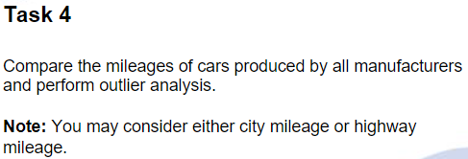
Minimum_Turning_radius | The turning radius, or turning path, of a vehicle (the smallest circular turn it can make)​
Government_Certified_Mileage(miles/gallon) | Government certified mileage given in miles/gallon
Kerb_Weight(in pounds) | Total weight of the car without any load/baggage
Ground_Clearance(in inches) | Distance between car's under-carriage and the road
Front_Track(in inches) | Distance between the centerline of the wheels
Seating_Capacity | Number of people who can be seated
Central_Locking | Whether the car has the central locking system or not
Child_Safety_Locks | Whether the car has the child safety lock system or not
Minimum_Turning_Radius | Minimum width needed to turn a car
Hill_Assist | Whether the car has the hill drive assistance system
Gear_Indicator | Whether the car is having a gear indicating system or not
3_Point_Seat-Belt_in_Middle_Rear_Seat | Y-shaped seat belt, that enables the belt to retract back and offers a fit offering better safety
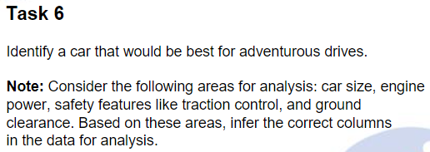
High_Speed_Alert_System | Whether the car is having any speed alert system or not
Passenger_Side_Seat-Belt_Reminder | Triggers a reminder when it detects that the passenger has not fastened the seat belt.
ABS_(Anti-lock_Braking_System) | Whether the car has lock braking system or not
Gross_Vehicle_Weight | Total weight of the car with passengers and any kind of baggage
Airbags | Airbag location
Door_Ajar_Warning | Whether the car has the door ajar warning light. This light illuminates when one of the vehicle's doors is not properly closed.
Fasten_Seat_Belt_Warning | A light indicates whether a passenger has fastened their seatbelt properly
Gear_Shift_Reminder | An indicator recommending the driver shift the gear
Number_of_Airbags | Number of airbags in the car
Compression_Ratio | Ratio between the volume of the cylinder and combustion chamber in an internal combustion engine
Average_Speed | Average speed of the car
EBA_(Electronic_Brake_Assist) | It applies maximum force to the brakes to help make sure the car stops quickly
ASR_/_Traction_Control | It is an anti skid regulatory system
Cruise_Control | Cruise Control allows you to maintain a set speed without using accelerator

